Inter-Rater Agreement
Cluster ID | Sarah | Shamsa | Professional | Final | common api calls | ClusterID | shamsa | sarah | Professional | Final | common api calls
1957 | y | y |  | y | 4 | 19 | y | n | y | y | 6
2057 | y | y |  | y | 5 | 445 | y | y |  | y | 11
1645 | y | y |  | y | 17 | 2884 | n | n |  | n | 5
1117 | y | y |  | y | 3 | 687 | y | y | n | n | 2
2339 | y | y | y | y | 4 | 2012 | y | y |  | y | 4
2419 | n | y | y | y | 3 | 2851 | y | y | y | y | 12
489 | y | y | y | y | 10 | 338 | y | y |  | y | 2
1852 | y | y | n | n | 3 | 3811 | y | y |  | y | 3
206 | n | n |  | n | 2 | 1809 | n | y | n | n | 2
4254 | y | y | y | y | 6 | 491 | y | y |  | y | 7
410 | n | n |  | n | 2 | 1000 | y | n | n | n | 2
204 | n | y | n | n | 2 | 4032 | y | y |  | y | 26
331 | n | y | n | n | 2 | 1708 | y | y |  | y | 3
135 | n | n |  | n | 3 | 2 | y | y |  | y | 5

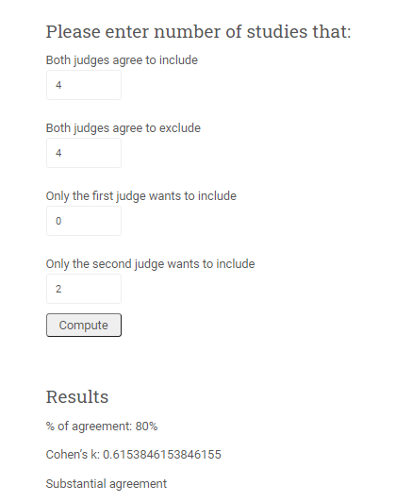
 |  |  | This color indicates the 17 clone groups are valid and have greater than 3 common API calls | This color indicates author disagreements | This color indicates the 3 clone groups with a minimum of 3 common API calls whicha re invalid

